age-specific mortality
Age group | Adjusted Female deaths | Adjusted Male deaths |  | Age | Male population | Adjusted Male deaths | Male Age-specific moratlity rates | Female population | Adjusted Female deaths | Female Age-specific moratlity rates |  | Females | Males | Total
0-4 | 49 | 50 |  | 0 | 3045 | 40 | 13.1 | 2755 | 45 | 16.3 | Adjusted deaths | 1566 | 1925 | 3491
 |  |  |  | 1-4 | 11230 | 10 | 0.9 | 11170 | 4 | 0.4 | Population | 193415 | 180695 | 374110
<1 | 45 | 40 |  |  |  |  |  |  |  |  | Crude death rate | 8.1 | 10.7 | 9.3
1-4 | 4 | 10 |  | 0-4 | 14275 | 50 | 3.5 | 13925 | 49 | 3.5
Males age-specific death rates
5 - 9 years | 3 | 3 |  | 5-9 | 15130 | 3 | 0.2 | 15420 | 3 | 0.2
10 - 14 years | 3 | 7 |  | 10-14 | 15780 | 7 | 0.4 | 16230 | 3 | 0.2
15 - 19 years | 4 | 17 |  | 15 - 19 | 15870 | 17 | 1.1 | 16070 | 4 | 0.2
20 - 24 years | 8 | 28 |  | 20 - 24 | 15800 | 28 | 1.8 | 15600 | 8 | 0.5
25 - 29 years | 13 | 25 |  | 25 - 29 | 13490 | 25 | 1.8 | 13670 | 13 | 0.9
30 - 34 years | 12 | 27 |  | 30 - 34 | 12650 | 27 | 2.1 | 14100 | 12 | 0.8
35 - 39 years | 24 | 39 |  | 35 - 39 | 13080 | 39 | 3.0 | 14400 | 24 | 1.6
40 - 44 years | 34 | 50 |  | 40 - 44 | 13920 | 50 | 3.6 | 15330 | 34 | 2.2
45 - 49 years | 39 | 103 |  | 45 - 49 | 12700 | 103 | 8.1 | 13880 | 39 | 2.8
50 - 54 years | 63 | 102 |  | 50 - 54 | 11900 | 102 | 8.6 | 12920 | 63 | 4.8
55 - 59 years | 79 | 143 |  | 55 - 59 | 9110 | 143 | 15.7 | 10470 | 79 | 7.5
60 - 64 years | 111 | 172 |  | 60 - 64 | 6240 | 172 | 27.6 | 7320 | 111 | 15.1
65 - 69 years | 142 | 233 |  | 65 - 69 | 4290 | 233 | 54.3 | 5090 | 142 | 27.8
70 - 74 years | 134 | 206 |  | 70 - 74 | 3000 | 206 | 68.7 | 3870 | 134 | 34.8
75 - 79 years | 189 | 214 |  | 75 - 79 | 1890 | 214 | 113.1 | 2610 | 189 | 72.5
Females age-specific death rates
80 - 84 years | 230 | 172 |  | 80 + | 1570 | 506 | 322.5 | 2510 | 661 | 263.3
85 - 89 years | 195 | 170 |  | Total population | 180695 | 1925 |  | 193415 | 1566
90 - 94 years | 149 | 124
95 - 99 years | 56 | 35 |  |  |  | Age group | Males ASDR | Females ASDR
100 years and over | 32 | 5 |  |  |  | 0 | 13.1 | 16.33
Total adjusted | 1566 | 1925 | 3491 |  |  | 1-4 | 0.9 | 0.36
 |  |  |  |  |  | 5-9 | 0.2 | 0.17
 |  |  |  |  |  | 10-14 | 0.4 | 0.16
 |  |  |  |  |  | 15 - 19 | 1.1 | 0.24
 |  |  |  |  |  | 20 - 24 | 1.8 | 0.50
 |  |  |  |  |  | 25 - 29 | 1.8 | 0.95
 |  |  |  |  |  | 30 - 34 | 2.1 | 0.84
 |  |  |  |  |  | 35 - 39 | 3.0 | 1.64
 |  |  |  |  |  | 40 - 44 | 3.6 | 2.23
 |  |  |  |  |  | 45 - 49 | 8.1 | 2.80
 |  |  |  |  |  | 50 - 54 | 8.6 | 4.84
 |  |  |  |  |  | 55 - 59 | 15.7 | 7.55
 |  |  |  |  |  | 60 - 64 | 27.6 | 15.15
 |  |  |  |  |  | 65 - 69 | 54.3 | 27.81
 |  |  |  |  |  | 70 - 74 | 68.7 | 34.75
 |  |  |  |  |  | 75 - 79 | 113.1 | 72.49
 |  |  |  |  |  | 80 + | 322.5 | 263.27

Number of deaths by sex

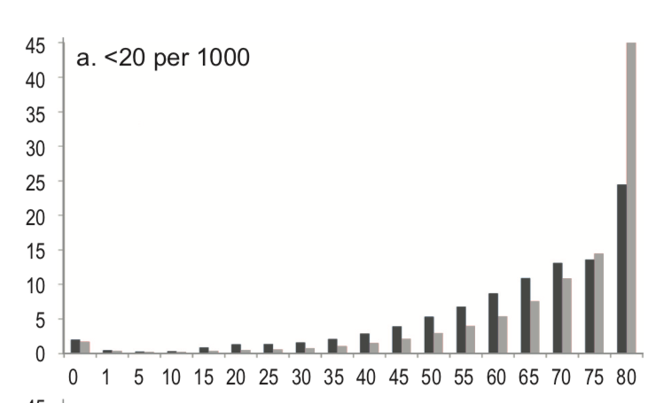

Percent distribution of deaths by sex

Age group | Adjusted Males | % Males | Adjusted Females | % Females
<1 | 40 | 2% | 45 | 3%
1-4 | 10 | 1% | 4 | 0%
5 - 9 years | 3 | 0% | 3 | 0%
10 - 14 years | 7 | 0% | 3 | 0%
15 - 19 years | 17 | 1% | 4 | 0%
20 - 24 years | 28 | 1% | 8 | 1%
25 - 29 years | 25 | 1% | 13 | 1%
30 - 34 years | 27 | 1% | 12 | 1%
35 - 39 years | 39 | 2% | 24 | 2%
40 - 44 years | 50 | 3% | 34 | 2%
45 - 49 years | 103 | 5% | 39 | 2%
50 - 54 years | 102 | 5% | 63 | 4%
55 - 59 years | 143 | 7% | 79 | 5%
60 - 64 years | 172 | 9% | 111 | 7%
65 - 69 years | 233 | 12% | 142 | 9%
70 - 74 years | 206 | 11% | 134 | 9%
75 - 79 years | 214 | 11% | 189 | 12%
80 - 84 years | 172 | 9% | 230 | 15%
85 - 89 years | 170 | 9% | 195 | 12%
90 - 94 years | 124 | 6% | 149 | 10%
95 - 99 years | 35 | 2% | 56 | 4%
100 years and over | 5 | 0% | 32 | 2%
Total adjusted | 1925 |  | 1566

IMR
 |  | Female | Male | Total | NNMR | IMR | U5M
 | Neonatal deaths | 36 | 27 | 63 | 10.9
 | Infant deaths | 40 | 45 | 85 |  | 14.7
 | <5 deaths | 50 | 49 | 99 |  |  | 17.1
 | live births |  |  | 5800

census |  | NNMR | IMR | U5M
Census | 2000 | 12.3 | 15.5 | 20
VS | 2000 | 11.8 | 15.2 | 19.3
VS | 2003 | 11.5 | 15 | 19
DHS | 2005 | 11.7 | 15.2 | 19.2
VS | 2006 | 11.3 | 14.8 | 18.6
VS | 2009 | 11.3 | 14.7 | 18.5
Census | 2010 | 11.5 | 15 | 18.8
VS | 2012 | 11.1 | 14.5 | 18.3
DHS | 2013 | 11.9 | 15.3 | 17.9
VS | 2015 | 11 | 14.9 | 17.3
VS | 2016 | 10.7 | 14.5 | 16.8
VS | 2017 | 10.9 | 14.7 | 17.1

